13. Customer Facilities
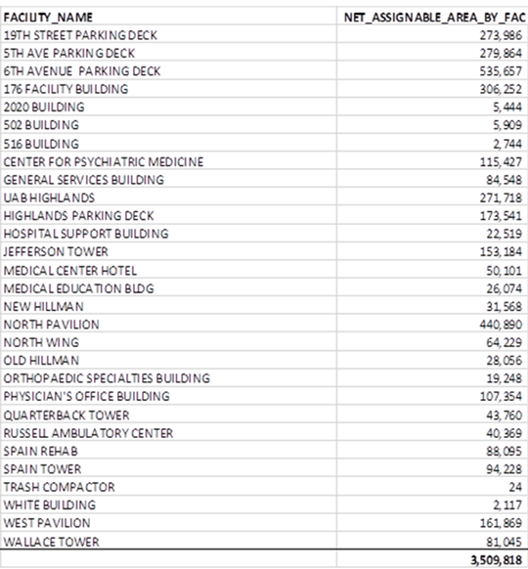
Customer Facilities
The following is a listing of UAB Hospital facilities included in the RFP.
Facility Name | Address
UAB Hospital | 619 19th Street South Birmigham, AL 35233
UAB Hospital - Highlands | 1201 11th Ave South Birmingham, AL 35205

